Real Estate Professional
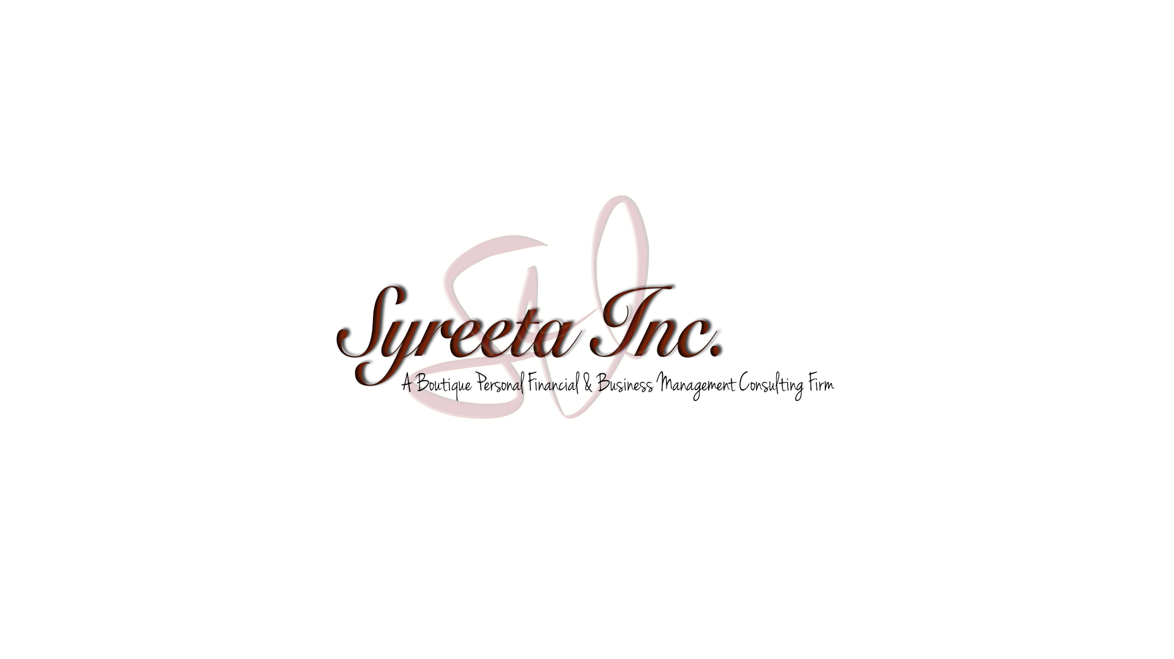
Business Expenses Tracker - Courtesy of Syreeta, Inc.
NAME: |  |  |  |  | TAX ID:
BUSINESS NAME:
ADDRESS:

SALES EXPENSES
Appraisal Fees |  |  | Referral Fees
Bank Charges |  |  | Refreshments for Customers
Client Gifts |  |  | Rent (Office/Space)
Commissions Paid |  |  | Sale Aids
Demos |  |  | Sales Assistants
Escrow/Loan Fees |  |  | Samples & Promotional Items
Film/Processing |  |  | Signs, Flags, Banners
Map Books |  |  | Snacks & Beverages
Multiple Listing Fees |  |  | Social Media Marketing/Email Campaigns
Open House: Food |  |  | Software
Open House: Media Advertising |  |  | Stationary
Photocopying |  |  | Storage Fees
Printing |  |  | Supplies: Meeting/Party
Public Relations/Photos |  |  | Other:

PROFESSIONAL SERVICES, DUES, FEES, TAXES, etc.
Accounting/Tax Preparation Fees |  |  | Legal & Professional Services
Business License |  |  | Liability Insurance
Business Tax |  |  | Licenses/Permits
Commissions & Fees |  |  | Subscriptions (Magazine/Newspaper/Online Services)
Continuing Education |  |  | Payroll (Salary/Wages)
Contract Labor/Temp Help |  |  | Professional Dues & Fees
E&O Insurance |  |  | Retirement Fees
Federal & State Taxes Paid |  |  | Social Security
Incorporating Fees |  |  | Other:
Industry Memberships |  |  | Other:

EQUIPMENT & SUPPLIES
Attache Case |  |  | Filing Cabinet
Calculator |  |  | Folders
Camera |  |  | Lockboxes
Desk, Chair |  |  | Software
Display Tables |  |  | Supplies/Materials
Equipment Rental/Lease |  |  | Other:
Equipment Repair |  |  | Other:

MISCELLANEOUS
Advertising/Publicity (business cards, flyers, promo, stationary, etc.) |  |  | Outside Services (Lawn Care/Maintenance)
Assistant Fees |  |  | Pension/Profit Sharing (IRA/Roth)
Bank Charges/Fees |  |  | Postage
Cleaning Fees |  |  | Printing/Photocopying
Client Gifts |  |  | Refreshments for Customers
Commissions Paid |  |  | Repairs
Computer Expenses |  |  | Service Charges
Delivery/Freight/Shipping |  |  | Storage Fees
Employee Benefits |  |  | Social Media/Email Marketing Campaigns
Food |  |  | Uniforms/Wardrobe
Interest (credit card) |  |  | Utilities
Laundry/Dry Cleaning |  |  | Other:
Outside Contractor Fees |  |  | Other:

Business Expenses Tracker - Courtesy of Syreeta, Inc.

COMMUNICATION SERVICES
Answering Service |  |  | Telephone Services (2nd/Business Line)
Cell Phone |  |  | Website: Domain Name
Fax Services |  |  | Website: Hosting
Internet |  |  | Website: Maintenance
Long Distance Fees (Business Related) |  |  | Other:
Pager |  |  | Other:

TRAVEL EXPENSES
Airfare |  |  | Meals
Airport Fees |  |  | Parking Fees/Tolls
Bus |  |  | Taxies/Shuttles
Car Rental (including Gas & Addt'l Insurance) |  |  | Tips
Car Services (including Uber/Lyft) |  |  | Train
Checked Baggage Fees |  |  | Travel
Dry Cleaning |  |  | Valet
Entertainment |  |  | Other:

AUTO EXPENSES
Date Placed in Service
Description of Vehicle

Odometer Reading:
Beginning of Year |  |  |  | Business Mileage
End of Year |  |  |  | Commute Mileage/Daily RT Commute
Is vehicle leased? |  |  |  | Is vehicle owned/financed?
Was vehicle depreciated in a prior year?

 | Auto Club | Rental Fees
 | Auto License/Registration | Repairs
 | Car Insurance Premium | Smog Certificate
 | City Sticker | Tires
 | Garage Rent | Tolls
 | Gas | Towing
 | Interest (financed/leased) | Warranty
 | Maintenance | Other:
 | Oil Change | Other:
 | Parking Fees | Other:

Have another vehicle available for personal use?
Was vehicle available for use during off-duty hours?
Do you have evidence to support your deductions?
Is evidence written?

NOTE: Generally the standard mileage rate is used, but to use actual vehicle expenses can elect to be used, including depreciation of your vehicle if you have extensive business use of your vehicle. Commuting to your main place of business is not deductible, but travel between multiple locations, traveling to obtain supplies or equipment, attend training & seminars, etc. Adequate records must be kept, i.e.: log books showing date, miles driven and purposed of the trip.

